PISTON
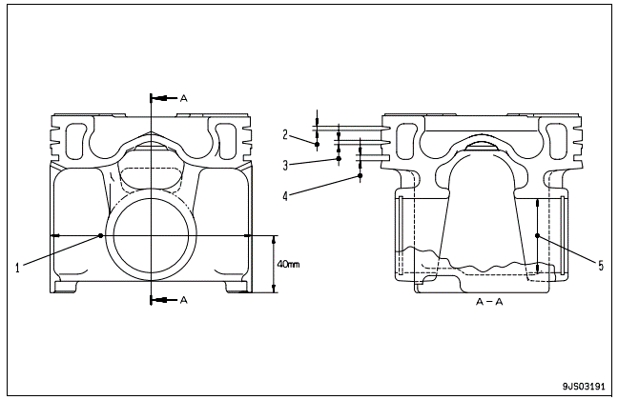
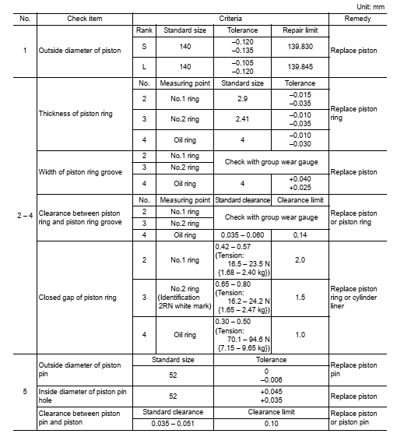

Outside diameter of piston
1RH | 2RH | 3H | 4RH | 5RH | 6RH

1LH | 2LH | 3LH | 4LH | 5LH | 6LH

Thickness of piston ring
1RH | 2RH | 3H | 4RH | 5RH | 6RH

1LH | 2LH | 3LH | 4LH | 5LH | 6LH

Width of piston ring groove
1RH | 2RH | 3H | 4RH | 5RH | 6RH

1LH | 2LH | 3LH | 4LH | 5LH | 6LH

Clearance between piston ring and piston ring groove
1RH | 2RH | 3H | 4RH | 5RH | 6RH

1LH | 2LH | 3LH | 4LH | 5LH | 6LH

Closed gap of piston ring |  |  |  |  |  | Inside diameter of piston pin hole
1RH | 2RH | 3H | 4RH | 5RH | 6RH | 1RH | 2RH | 3H | 4RH | 5RH | 6RH

1LH | 2LH | 3LH | 4LH | 5LH | 6LH | 1LH | 2LH | 3LH | 4LH | 5LH | 6LH

Outside diameter of piston pin |  |  |  |  |  | Clearance between piston pin and piston
1RH | 2RH | 3H | 4RH | 5RH | 6RH | 1RH | 2RH | 3H | 4RH | 5RH | 6RH

1LH | 2LH | 3LH | 4LH | 5LH | 6LH | 1LH | 2LH | 3LH | 4LH | 5LH | 6LH

LINNER
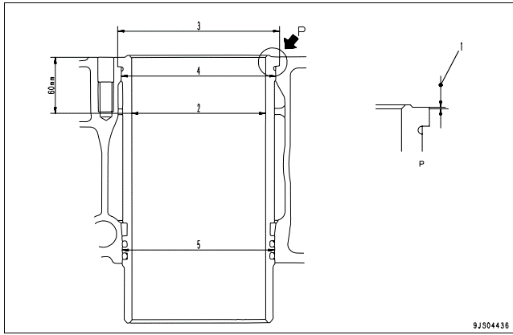
VISUAL ITEM |  |  | NO | Check item
 |  |  | 1 | Projection of cylinder liner

 |  |  | 2 | Inside diameter of cylinder liner

 |  |  | 3 | Outside diameter of cylinder liner (Counterbore portion)

 |  |  | 4 | Outside diameter of cylinder liner (Lower portion of counterbore |  |  |  | Interference of cylinder liner and block (Lower portion of counterbore)

 |  |  | 5 | Outside diameter of cylinder liner (at O-ring) |  |  |  | Clearance between cylinder liner and block (O-ring portion)

Projection of cylinder liner |  |  | Repair limit
 |  |  | 0.07 – 0.15
1RH | 2RH | 3RH | 4RH |  | 5RH |  | 6RH

1LH | 2LH | 3LH | 4LH |  | 5LH |  | 6LH

Inside diameter of cylinder linner |  |  | Standard size |  |  | Tolerance | Repair limit
 |  |  | S | 140 |  | 20 +0 | 140.12
 |  |  | L | 140 |  | 0,040 0,021 | 141.14
1RH | 2RH | 3RH | 4RH |  | 5RH |  | 6RH

1LH | 2LH | 3LH | 4LH |  | 5LH |  | 6LH

Outside diameter of cylinder liner (Counterbore portion) |  |  | Standard size |  |  | Tolerance
 |  |  | 170.2 |  |  | 0.10 –0.10
1RH | 2RH | 3RH | 4RH |  | 5RH |  | 6RH

1LH | 2LH | 3LH | 4LH |  | 5LH |  | 6LH

Outside diameter of cylinder liner (Lower portion of counterbore |  |  | Standard size |  | Tolerance |  | Replace or correct cyl-inder liner or block
 |  |  | 161.2 |  | .+0.090 +0.050
Interference of cylinder liner and block (Lower portion of counterbore) |  |  | Standard size |  | Tolerance
 |  |  | 0.02 – 0.12 |  | 0.02 or above
1RH | 2RH | 3RH | 4RH |  | 5RH |  | 6RH

1LH | 2LH | 3LH | 4LH |  | 5LH |  | 6LH

Outside diameter of cylinder liner (at O-ring) |  |  | Standard size |  | Tolerance |  | Replace cylinder liner
 |  |  | 158 |  | –0.024 –0.049
Clearance between cylinder liner and block (O-ring portion) |  |  | Standard clearance |  |  |  | Replace cylinder liner or block
 |  |  | 0.024 – 0.094
1RH | 2RH | 3RH | 4RH |  | 5RH |  | 6RH

1LH | 2LH | 3LH | 4LH |  | 5LH |  | 6LH

